Table 1

Selected Acquisition Report (SAR)
RCS: DD-A&T(Q&A)823-386
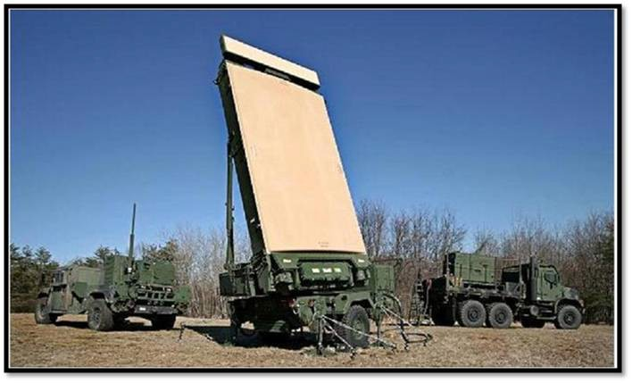
Ground/Air Task Oriented Radar (G/ATOR)
As of FY 2017 President's Budget
Defense Acquisition Management Information Retrieval
(DAMIR)

Table 10
Schedule
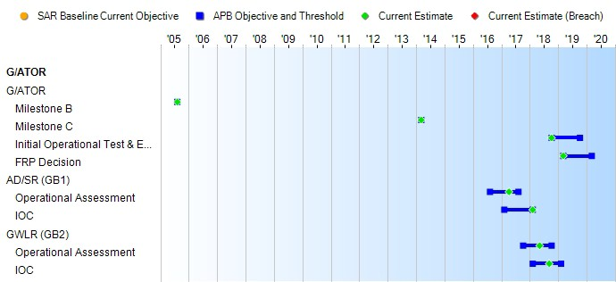
(Ch-1)
(Ch-1)
Schedule Events
Events | SAR Baseline Production Estimate | Current APB Production Objective/Threshold |  | Current Estimate
G/ATOR
Milestone B | Aug 2005 | Aug 2005 | Aug 2005 | Aug 2005
Milestone C | Mar 2014 | Mar 2014 | Mar 2014 | Mar 2014
Initial Operational Test & Evaluation | Oct 2018 | Oct 2018 | Oct 2019 | Oct 2018
FRP Decision | Mar 2019 | Mar 2019 | Mar 2020 | Mar 2019
AD/SR (GB1)
Operational Assessment | Aug 2016 | Aug 2016 | Aug 2017 | Apr 2017
IOC | Feb 2017 | Feb 2017 | Feb 2018 | Feb 2018
GWLR (GB2)
Operational Assessment | Oct 2017 | Oct 2017 | Oct 2018 | May 2018
IOC | Feb 2018 | Feb 2018 | Feb 2019 | Sep 2018
(Ch-1)
(Ch-1)

Table 32
Unit Cost History
Item |  |  |  |  |  |  |  | Date |  |  |  | BY 2012 $M |  |  |  |  |  |  |  | TY $M
 |  |  |  |  |  |  |  |  |  |  |  | PAUC |  | APUC |  |  |  |  |  | PAUC |  |  |  | APUC

Original APB |  |  |  |  | May 2012 |  |  |  |  |  |  | 52.409 |  |  |  |  | 36.896 |  |  |  | 58.349 |  |  |  | 42.665
APB as of January 2006 |  |  |  |  | N/A |  |  |  |  |  |  | N/A |  |  |  |  | N/A |  |  |  | N/A |  |  |  | N/A
Revised Original APB |  |  |  |  | N/A |  |  |  |  |  |  | N/A |  |  |  |  | N/A |  |  |  | N/A |  |  |  | N/A
Prior APB |  |  |  |  | May 2012 |  |  |  |  |  |  | 52.409 |  |  |  |  | 36.896 |  |  |  | 58.349 |  |  |  | 42.665
Current APB |  |  |  |  | Apr 2014 |  |  |  |  |  |  | 58.118 |  |  |  |  | 36.118 |  |  |  | 64.842 |  |  |  | 42.107
Prior Annual SAR |  |  |  |  | Dec 2014 |  |  |  |  |  |  | 58.111 |  |  |  |  | 36.078 |  |  |  | 64.787 |  |  |  | 42.098
Current Estimate |  |  |  |  | Dec 2015 |  |  |  |  |  |  | 58.367 |  |  |  |  | 36.298 |  |  |  | 64.742 |  |  |  | 42.049
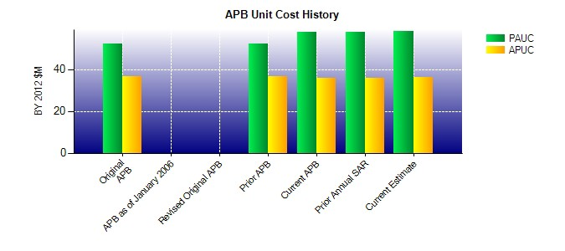
SAR Unit Cost History
Initial SAR Baseline to Current SAR Baseline (TY $M)
Initial PAUC Development Estimate | Changes |  |  |  |  |  |  |  |  |  |  |  |  |  |  |  |  |  |  |  |  |  | PAUC Production Estimate
 | Econ |  | Qty |  |  | Sch |  |  | Eng |  | Est |  | Oth |  |  | Spt |  |  | Total
58.349 0.367 5.249 0.813 0.000 1.451 0.000 -1.387 6.493 64.842
Current SAR Baseline to Current Estimate (TY $M)
PAUC Production Estimate |  | Changes |  |  |  |  |  |  |  |  |  |  |  |  |  |  |  |  |  |  |  | PAUC Current Estimate
 |  | Econ |  | Qty |  |  | Sch |  |  | Eng | Est |  | Oth |  | Spt |  |  | Total
64.842 -0.807 0.000 -0.073 0.000 -2.067 0.000 2.847 -0.100 64.742

